Current Resource Usage
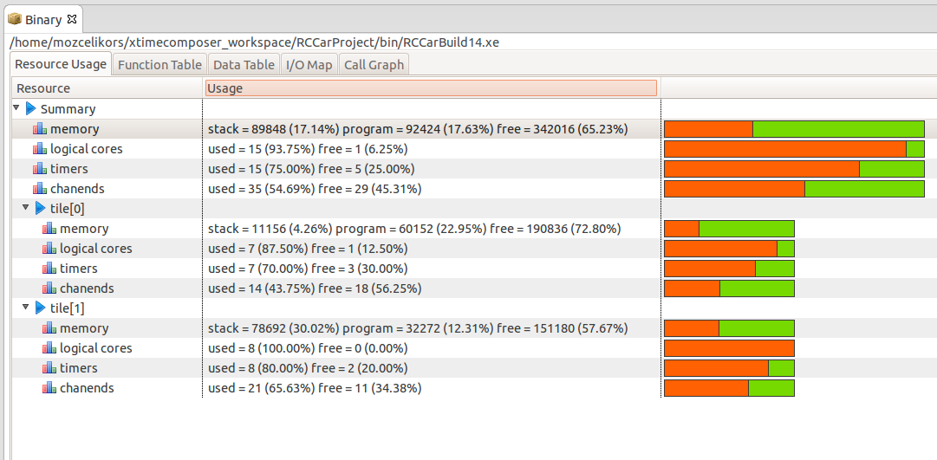

I know, it is very consuming. But maybe we can lessen this later.

